Figure 1
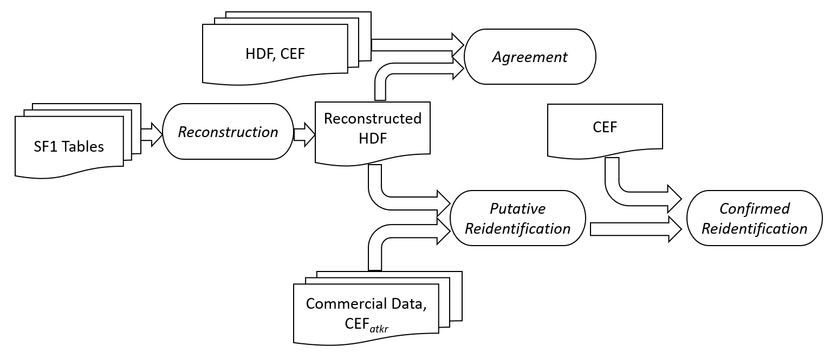

Figure 1. Overview of the reconstruction, agreement, and reidentification workflow. Based on Summary File 1 (SF1) tables, a database with the features and rows of the confidential Hundred-percent Detail File (HDF) is reconstructed, validated for agreement with the HDF and the confidential Census Edited File (CEF), linked to commercial databases and a quasi-identifier only copy of the CEF (labeled CEFatkr) to determine putative reidentifications, then reidentifications are confirmed by linkage to the full-feature CEF. SF1 is itself tabulated from the HDF using a processing sequence that begins with the Census Unedited File (CUF). See Figure 2.

Figure 3
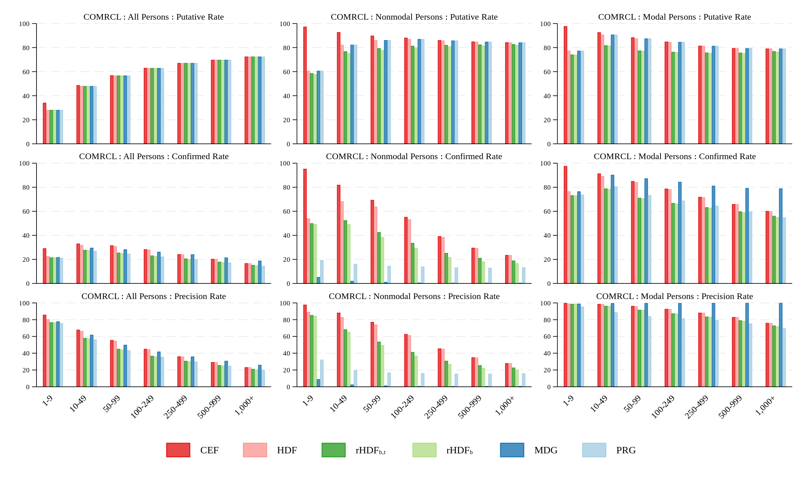

Figure 3. Comparison of Putative Reidentification Rates, Confirmed Reidentification Rates, and Reidentification Precision Rates for COMCRL by Census Block Size
Notes: The denominator used in the first column is the COMCRL Population column in Table 12, which totals to 286,700,000. The denominator in the second column is the COMRCL population in Table 13, and the denominator in the third column is the COMRCL population in Table 14. The denominators in the second and third columns sum to 106,300,000 because only that subset of COMRCL records can be classified as modal and nonmodal from the CEF. See Table 3.

.\figures20231206\reid_cmrcl_blockpop_color
Source: Tables 12-14. Drawn in StataTM

Figure 4
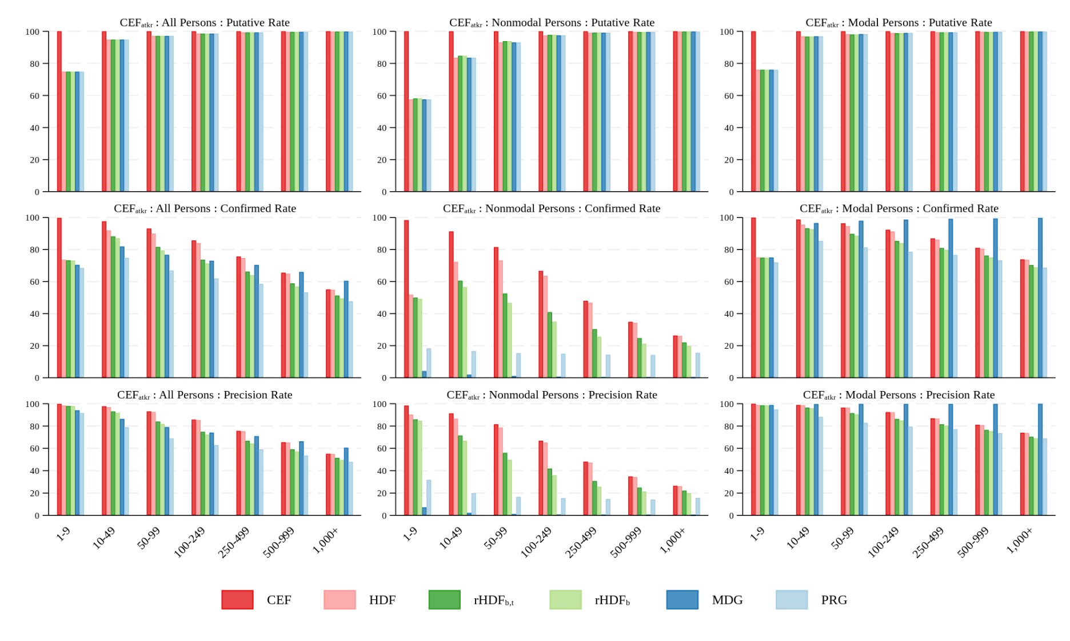

Figure 4. Comparison of Putative Reidentification Rates, Confirmed Reidentification Rates, and Reidentification Precision Rates for CEFatkr by Census Block Size
Notes: The denominator used in the first column is the CEFatkr Population column in Table 12, which totals to 276,000,000. The denominator in the second column is the CEFatkr population in Table 13, and the denominator in the third column is the CEFatkr population in Table 14. The denominators in the second and third columns sum to 276,000,000 because all records in CEFatkr can be classified as modal and nonmodal from the CEF. See Table 3.

.\figures20231206\reid_cef_blockpop_color
Source: Tables 12-14. Drawn in StataTM

Figure 5
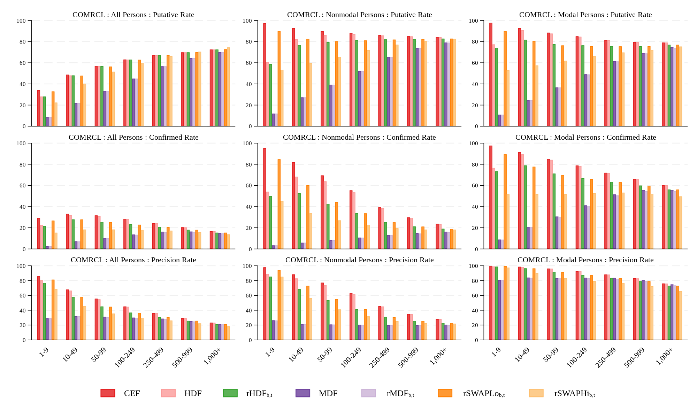

Figure 5. Comparison of Putative Reidentification Rates, Confirmed Reidentification Rates, and Reidentification Precision Rates for Alternative Disclosure Limitation Implementations Applied to the 2010 Census Edited File for Attacker COMCRL by Census Block Size
Notes: The denominator used in the first column is the COMCRL Population column in Table 15, which totals to 286,700,000. The denominator in the second column is the COMRCL population in Table 16, and the denominator in the third column is the COMRCL population in Table 17. The denominators in the second and third columns sum to 106,300,000 because only that subset of COMRCL records can be classified as modal and nonmodal from the CEF. See Table 3.

.\figures20231206\reid_cmrcl_blockpop_mdf_color
Source: Tables 15-17. Drawn in StataTM

Figure 6
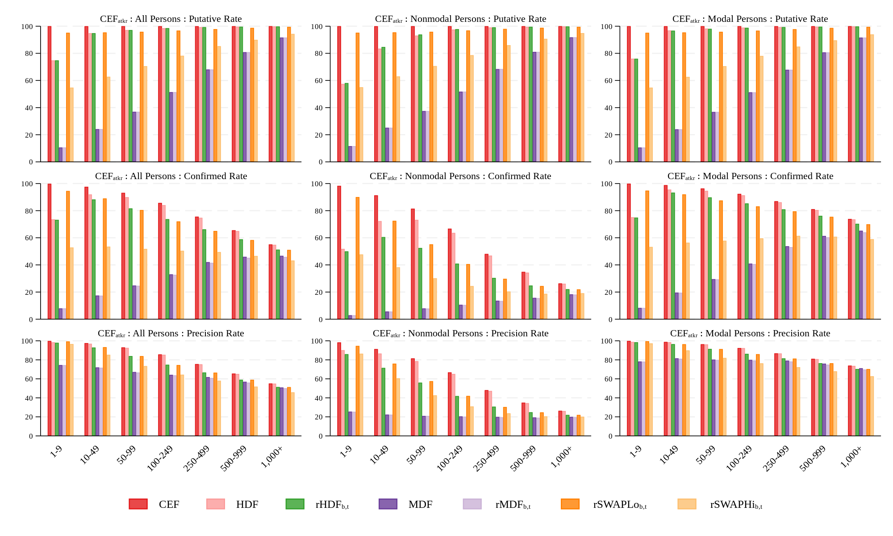

Comparison of Putative Reidentification Rates, Confirmed Reidentification Rates, and Reidentification Precision Rates for Alternative Disclosure Limitation Implementations Applied to the 2010 Census Edited File for Attacker CEFatkr by Census Block Size
Notes: The denominator used in the first column is the CEFatkr Population column in Table 15, which totals to 276,000,000. The denominator in the second column is the CEFatkr population in Table 16, and the denominator in the third column is the CEFatkr population in Table 17. The denominators in the second and third columns sum to 276,000,000 because all records in CEFatkr can be classified as modal and nonmodal from the CEF. See Table 3.

.\figures20231206\reid_cmrcl_blockpop_mdf_color
Source: Tables 15-17. Drawn in StataTM

